order shipping
Thank you for your email. How an order is prepared depends on the package type (carton, pail, jerrican, drum, aluminum drum/bottle) combination or package types and how the order is shipping, via air or ocean.

The below are approximate breakdowns and should be used as a guide and not as an exact reference. Please also note, each of our shipping operators builds skids as they feel best incorporate each different type of packaging. Meaning, each operator may package an identical shipment differently.
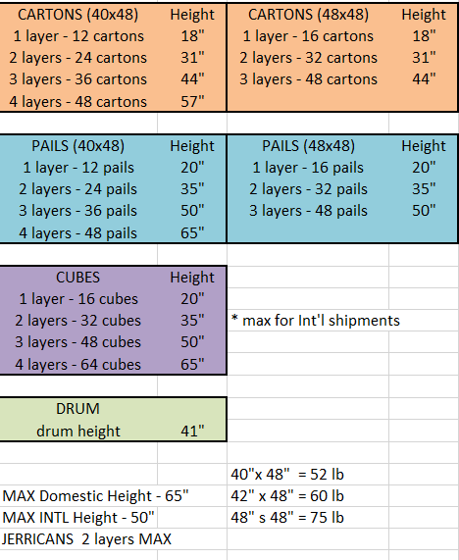

Thank you,

Molly Zelichowski | Kalsec®, Inc. | Outbound Logistics Specialist

